Sheet2
 |  |  |  |  |  |  | Design life for cover (w/out fire resistance) |  |  |  |  | Slab Design Accordance with Eurocode 2 (youtube.com)
Design life | 50
c_nom | 15 + delta_c = |  | 25 | mm |  | Table 1 of Ch2 of Chanakya how book |  |  |  |  |  | Design of Two Way continuous slabs including detailing | IS 456 | Step by Step (youtube.com)
 |  |  |  |  |  | Table A4.1 in BS8500-1 |  |  |  | http://ndl.ethernet.edu.et/bitstream/123456789/87977/66/Worked-Examples-Ec2%20Volume%20I.pdf

indoor exposure XC1 check
 | req. |  | 20 | mm | OK | table 4.1 EC2 p.1-1
 |  |  |  |  |  | Table 2 Ch2 Chanakya How |  |  | file:///C:/Users/khsur/Downloads/How%20to%20Design%20Concrete%20Structures%20using%20Eurocode%202.pdf
Strength min
 | req. |  | C20/25 |  |  | Table E.1 N EC2 p.1-1 |  |  | f_ck |  | fck = 25

 |  |  |  |  |  |  | Action
Dead load

floor(finishing and ceiling services etc.) |  |  | 1.75 | kN/m2 |  | given

150 thick partition blockwall |  |  | 3 | kN/m2 |  | given
 | wall height | 3.5 | m
 | line UDL |  | 10.5 | kN/m

cladding (façade) |  |  | 1.25 | kN/m2 |  | given |  | Though clading on beams so not considered
 | wall height | 3.5 | m
 | line UDL |  | 4.375 | knN/m

Self weight

 | min effective depth
l/d=basic ratio |  | 26 |  | d=l/26 | 192.30769231 | youtube | NEED CHECKING FOR RHO, see below check |  |  |  | http://ndl.ethernet.edu.et/bitstream/123456789/87977/66/Worked-Examples-Ec2%20Volume%20I.pdf
 |  |  |  |  |  |  |  |  |  |  | 3.1.5 flextural design |  | or 3.25 a)
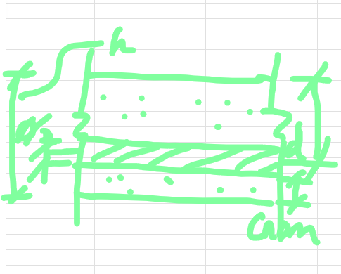
 | assume dia of main stell |  |  | 10 | mm | see lecture y2

 | h = d + dia/2 + c_nom |  |  | 222.30769231 | mm
 |  | rounded slab height |  | 225 | mm
 |  |  | d_new | 195 | mm

 | concrete self weight
 | septh * unit weight of RC |  |  | 5.625 | kN/m2

 |  | two way slab as ratio < 2
variable load
classroom school C1 |  | 2 to 3 kN/m2 |  | 3 | kN/m2 | EC1 p1-1 Table 6.1
corridoor C3 |  | 3 to 5 kN/m2 |  | 3 | kN/m2 |  |  | https://www.phd.eng.br/wp-content/uploads/2015/12/en.1991.1.1.2002.pdf
office B |  | 2 to 3 kN/m2 |  | 2.5 | kN/m2

storage (E1) |  | 7 kN/m2 |  | 7 | kN/m2 | EC1 p1-1 Table 6.3 and 6.4
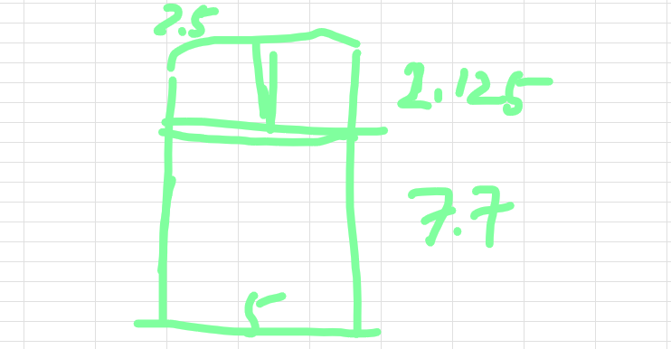

 | area | A_A-B/1-2 |  | 49.125 | m2 |  | loadings

slab A-B/1-2

dead g_k
 | self weight of RC + finishing + wall |  |  | 8.8979007634 | kN/m2 | divide and average

variable q_k
 | storage + cooridoor + class |  |  | 3.4325699746 | kN/m2

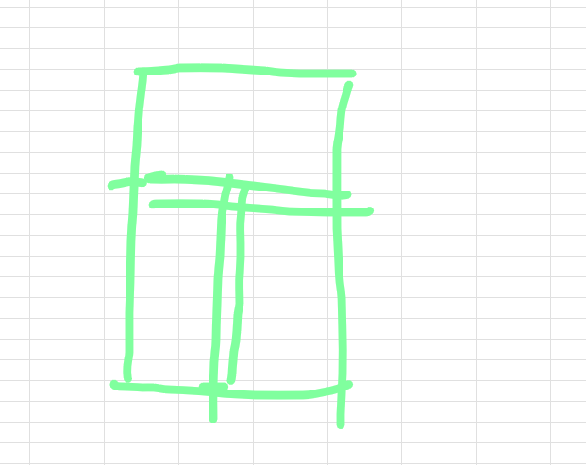
 | W = 1.35 g_k + 1.5 q_k |  |  | 17.161020992 | kN/m2
 | area | A_A-B/1-2 |  | 49.125 | m2

slab B-C/1-2

dead g_k
 | self weight of RC + finishing + wall |  |  | 10.089503817 | kN/m2

variable q_k
 | cooridoor + class |  |  | 3 | kN/m2


 | W = 1.35 g_k + 1.5 q_k |  |  | 18.120830153 | kN/m2
 | area | A_A-B/1-2 |  | 49.125 | m2

slab C-D/1-2

dead g_k
 | self weight of RC + finishing + wall |  |  | 8.4437022901 | kN/m2

variable q_k
 | cooridoor + class |  |  | 3 | kN/m2 | averaged

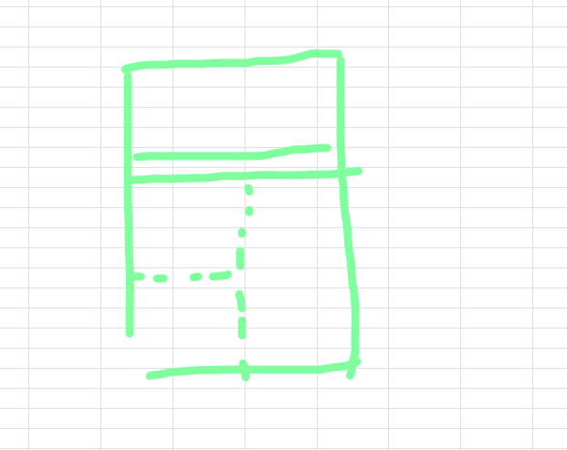
 | W = 1.35 g_k + 1.5 q_k |  |  | 15.898998092 | kN/m2
 | area | A_A-B/1-2 |  | 49.125 | m2

slab D-E/1-2

dead g_k
 | self weight of RC + finishing + wall |  |  | 10.623854962 | kN/m2

variable q_k
 | cooridoor + class+storage |  |  | 4.5674300254 | kN/m2 | averaged
 | cooridoor + class+storage |  |  | 7 | kN/m2 | assume entire storage load worst case

 | W = 1.35 g_k + 1.5 q_k |  |  | 24.842204198 | kN/m2 | using 7kN/m2
 | area | A_A-B/1-2 |  | 49.125 | m2

slab E-F/1-2

dead g_k
 | self weight of RC + finishing + wall |  |  | 8.4437022901 | kN/m2

variable q_k
 | cooridoor + class |  |  | 3 | kN/m2

 | W = 1.35 g_k + 1.5 q_k |  |  | 15.898998092 | kN/m2

 |  |  |  |  |  |  | Design moment |  | http://ndl.ethernet.edu.et/bitstream/123456789/87977/66/Worked-Examples-Ec2%20Volume%20I.pdf

flexural design |  | flexure in span |  |  |  |  | p.7 group 12 year 2018 ppl nel
 |  |  |  |  |  |  | bs8110 | https://crcrecruits.wordpress.com/wp-content/uploads/2014/04/bs8110-1-1997-structural-use-of-concrete-design-construction.pdf

 |  |  | for slab A-B/1-2 and slab E-F/1-2
 |  |  |  | lx | 5
 |  |  |  | ly | 9.825
two adjacent edge discontinuous |  |  |  | ly/lx | 1.965 | ~2 |  |  |  | Table 3.14 |  | figure 3.8 for equation
 |  |  |  | max weight of 2 |  | 17.161020992 | kN/m2
 |  |  | short span | continuous edge
 |  |  |  | beta_sx_c-edge |  | 0.093 |  | M_sx_c-edge | beta_sx_mid * n * l_x^2 |  |  | 39.899373807 | kNm
 |  |  |  | mid span
 |  |  |  | beta_sx_mid |  | 0.07 |  | M_sx_mid | beta_sx_mid * n * l_x^2 |  |  | 30.031786737 | kNm
 |  |  | Long span | continuous edge
 |  |  |  | beta_sy_c-edge |  | 0.045 |  | M_sy_c-edge | beta_sy_mid * n * l_y^2 |  |  | 74.545383691 | kNm
 |  |  |  | mid span
 |  |  |  | beta_sy_mid |  | 0.034 |  | M_sy_mid | beta_sy_mid * n * l_y^2 |  |  | 56.323178789 | kNm

 |  |  | for slab B-C/1-2, slab C-D/1-2 and slab D-E/1-2
 |  |  |  | lx | 5
 |  |  |  | ly | 9.825
one short edge discontinuous |  |  |  | ly/lx | 1.965 | ~2 |  |  |  | Table 3.14 |  | figure 3.8 for equation
 |  |  |  | max weight of 3 |  | 24.842204198 | kN/m2
 |  |  | short span | continuous edge
 |  |  |  | beta_sx_c-edge |  | 0.089 |  | M_sx_c-edge | beta_sx_mid * n * l_x^2 |  |  | 55.273904342 | kNm
 |  |  | mid span
 |  |  |  | beta_sx_mid |  | 0.067 |  | M_sx_mid | beta_sx_mid * n * l_x^2 |  |  | 41.610692032 | kNm
 |  |  | Long span | continuous edge
 |  |  |  | beta_sy_c-edge |  | 0.037 |  | M_sy_c-edge | beta_sy_mid * n * l_y^2 |  |  | 88.727239413 | kNm
 |  |  | mid span
 |  |  |  | beta_sy_mid |  | 0.028 |  | M_sy_mid | beta_sy_mid * n * l_y^2 |  |  | 67.144937934 | kNm

check steel reinf |  |  |  | appe a | p.185 | http://ndl.ethernet.edu.et/bitstream/123456789/87977/66/Worked-Examples-Ec2%20Volume%20I.pdf
 |  |  |  | w/ nel docx | p.8

 |  | take largest value: |  | long span c-edge |  | 74.545383691 | kNm | 74545383.691 | Nmm | d = | 195 | mm
 |  |  |  | long span mid |  | 56.323178789 | kNm |  |  | dia= | 10 | mm | assumed?? From above
 |  |  |  | short span c-edge |  | 55.273904342 | kNm |  |  | c_nom = | 25 | mm
 |  |  |  | short span mid |  | 41.610692032 | kNm |  |  | f_ck = | 25
 |  |  |  |  |  |  |  |  |  | f_y = | 500
 | at support: | long span is main steel, since 79 (beta_sy_c-edge) > 47 (beta_sx_c-edge) |  |  |  |  |  |  | EVERYTHING IS AT 1m; b = 1m |  |  |  |  |  | revisit .xlm | TWO WAY SLAB REINFORCEMENT EUROCODE 2 / BRITISH STANDARD BS8110 (youtube.com)
 |  | long span:
 | main |  | K = | 0.078417234652 |  | at b = 1m; |  |  | WHAT IS K' and redistribution |  |  | units? Wrong? |  |  | just to keep in mind
 |  |  | finding z | 180.41704564 |  | see notes, as eq is given |  | z=d(0.5+sqrt(0.25-3K/3.4) |  |  |  |  |  | let: | K = M_ed / bd^2 f_ck
 |  |  | z = | 185.25 | mm | 0.95d = | 185.25 |  |  |  |  |  |  |  | M_Ed = Wl^2/8
 |  |  | A_s = | 925.06719644 | mm2 | M/0.87f_y z |  |  | via bar areas table |  | H10@75 | A_sb = | 1047.1975512 | mm2 | A_sb = area we are providing
 |  |  | checks: | 292.5 |  | A_s,min | 0.13%bh | A_s bigger OK |  | eq9.1n | 9.2.1.1 | EC2 p.1-1 |  |  |  | table area bar
 |  |  |  |  |  | A_s,max | 0.04A_c | A_s smaller OK |  |  |  |  |  |  |  | Reinforcement areas and weights (yourspreadsheets.co.uk)
 |  |  |  |  |  | s_max,slab | 3h<=400

 |  | short span:
 | secondary |  | K = | 0.058144804041
 |  |  | finding z | 184.42184028
 |  |  | z= | 185.25 | mm | 0.95d = | 185.25
 |  |  | A_s = | 685.91874096 | mm2 |  | M/0.87f_y z |  | via bar areas table |  | H10@125 | A_sb = | 628.31853072 | mm2
 |  |  | checks: | 292.5 |  | A_s,min | 0.13%bh | A_s bigger OK |  | eq9.1n | 9.2.1.1 | EC2 p.1-1 |  | S
 |  |  |  |  |  | A_s,max | 0.04A_c | A_s smaller OK
 |  |  | checking secondary for A_s,frame >= 0.2 A_s,main |  |  |  |  |  |  |  |  | 9.3.1.1(2) ec2 p1-1
 |  |  |  | A_s,main | 1047.1975512 |  | 209.43951024
 |  |  |  | A_s,frame | 628.31853072 |  | 628.31853072 |  | A_s,frame >=0.2A_s,main |  |  | OK

 |  |  |  | S_max,slab = 3.5h<= 450mm |  |  | 787.5 | mm | thus, | 450 | mm | 125<450 |  | OK

 | at mid : | long span is main steel, since 59 (beta_sy_mid) > 35 (beta_sx_mid)
 |  | long span:
 | main |  | K = | 0.059248577293
 |  |  | finding z | 184.20855264
 |  |  | z= | 185.25 | mm | 0.95d = | 185.25
 |  |  | A_s = | 698.93965954 | mm2 | M/0.87f_y z |  |  | via bar areas table |  | H10@100 | A_sb = | 785.3981634 | mm2
 |  |  | checks: | 292.5 |  | A_s,min | 0.13%bh | A_s bigger OK |  | eq9.1n | 9.2.1.1 | EC2 p.1-1
 |  |  |  |  |  | A_s,max | 0.04A_c | A_s smaller OK
 |  |  |  |  |  | s_max,slab | 3h<=400

 |  | short span:
 | secondary |  | K = | 0.043771931132
 |  |  | finding z | 187.15287134
 |  |  | z= | 187.15287134 | mm | 0.95d = | 185.25
 |  |  | A_s = | 511.11565966 | mm2 | M/0.87f_y z |  |  | via bar areas table |  | H10@150 | A_sb = | 523.5987756 | mm2 |  | OOF BIG CHANGED, archive log going from 175 to 150, A_sb changed, archived
 |  |  | checks: | 292.5 |  | A_s,min | 0.13%bh | A_s bigger OK |  | eq9.1n | 9.2.1.1 | EC2 p.1-1
 |  |  |  |  |  | A_s,max | 0.04A_c | A_s smaller OK
 |  |  | checking secondary, for A_s,frame >= 0.2 A_s,main |  |  |  |  |  |  |  |  | 9.3.1.1(2) ec2 p1-1
 |  |  |  | A_s,main | 785.3981634 |  | 157.07963268
 |  |  |  | A_s,frame | 523.5987756 |  | 523.5987756 |  | A_s,frame >=0.2A_s,main |  |  | OK

 |  |  |  | S_max,slab = 3.5h<= 450mm |  |  | 787.5 | mm | thus, | 450 | mm | 175<450 |  | OK

 |  |  |  |  |  |  | shear
 |  |  |  |  |  | fig 3.10 | Table 3.15 | bs8110 | https://crcrecruits.wordpress.com/wp-content/uploads/2014/04/bs8110-1-1997-structural-use-of-concrete-design-construction.pdf

 | two adjacent edges discontinuous |  |  |  |  |  |  | ?? | max weight of the 2 |  | 17.161020992 | kN/m2 | ly | 9.825 | CHECK SMALL PRINT OF FIGURE 3.10, AND EQUATION 19 EQ.20 SHOULD BE RIGHT
 |  | c-edge | beta_vx_c-edge |  | 0.6 |  | beta_vy_c-edge |  | 0.4 |  |  |  | lx | 5
 |  | dc-edge | beta_vx_dc-edge |  | 0.4 |  | beta_vy_dc-edge |  | 0.26 |  |  |  | d | 195
 |  |  |  |  |  |  |  |  |  |  |  |  | f_ck | 25
 |  |  |  |  | v_sx_c-edge |  | 101.16421875
 |  |  |  |  | v_sx_dc-edge |  | 67.4428125
 |  |  |  |  | v_sy_c-edge |  | 34.322041985
 |  |  |  |  | v_sy_dc-edge |  | 22.30932729

 | one short discontinuous edge |  |  |  |  |  |  | ?? | max weight of the 3 |  | 24.842204198 | kN/m2
 |  | c-edge | beta_vx_c-edge |  | 0.52 |  | beta_vy_c-edge |  | 0.36 |  |  |  |  |  | CHECK SMALL PRINT OF FIGURE 3.10, AND EQUATION 19 EQ.20 SHOULD BE RIGHT
 |  | dc-edge | beta_vx_dc-edge |  | n.a. |  | beta_vy_dc-edge |  | 0.24 |  |  | ly/lx | 1.965 | ~2

 |  | v_sx=beta_vx*n*l_y |  |  | v_sx_c-edge |  | 126.91882125
 |  |  |  |  | v_sx_dc-edge |  | 0 | (so = 0)
i |  |  |  |  | v_sy_c-edge |  | 44.715967557
 |  |  |  |  | v_sy_dc-edge |  | 29.810645038

 |  |  |  |  | taking max as V_Ed |  | 126.91882125 | kN

 | Assuming 50% of mid span not extend to support |  |  |  |  | see note Y2 shear |  |  |  |  | ec2 p.1-1 section 6.2.2

 |  | rho_1 = | 0.0013425609631 | <= | 2 |  |  |  | TAKING MIN OF A_sb AS NOT SURE WHAT TO TAKE HERE
 |  | k = | 2.0127393671 |  |  |  | hmm… shear resistance of concrete
 |  | C_Rd,c | 0.12 |  | see NA | 0.18/gamma_c |  | gamma_c | 1.5
 |  | k_1 | 0.15
 |  | sigma_cp | 0 |  | as N_Ed =0 | see note Y2
 |  | V_Rd,c | 70517.148066 | N | w/ min of | 97443.746119 | N
 |  |  | 70.517148066 | kN |  | 97.443746119 | kN

 |  |  |  |  | 126.91882125 | > | 97.443746119 |  | OK | No shear reinf needed |  | NUMBER IS SWAPPED!! HENCE REINF IS NEEDED???????

 |  |  |  |  |  |  | deflection |  |  |  |  | ly | 9.825
 |  |  |  |  |  |  |  |  |  |  |  | lx | 5
 | actual: | span/eff depth |  | 25.641025641 |  |  |  |  |  |  |  | d | 195
 | A_sb/bd | rho = |  | 0.26851219261 | % | see note Y2 |  | rho_0 | 0.5 | % |  | f_ck | 25
 |  | K |  | 1.3 |  | from table 7.4N, I think |  |  | could be 1.5 as well? |  |  | f_yk | 500
 |  | mod factor = 7/leff |  | 1.4 |  | assumption both connection is continuous; member is larger
 |  |  |  |  |  | fig 5.4 ec2p.1-1 |  | 7.4.2(2)
 | rho<=rho_0 |  | using eq. 7.16a |  |  |  |  |  | http://ndl.ethernet.edu.et/bitstream/123456789/87977/66/Worked-Examples-Ec2%20Volume%20I.pdf
 |  | N = | 37.77339886 |  |  | basic effective depth to span ratio |  |  | 3.2.6 |  | CHECKS FOR INTERNAL AND END SPAN? See chapter
 |  | F1 = | 1 |  |  | flanged section
 |  | F2 = | 1 |  |  | NOT SURE WHY
 |  | F3 = 310/sigma_y<=1.5 |  | 1.0244232704 |  | not following but just using exp 7.17

 |  | allowable l/d = |  | 50.304733431 |  | l/d actual < allowable l/d |  |  | OK

 |  |  |  |  |  |  |  |  | CHECK FOR CRACKS??

Sheet1
design life |  | 50

exposure class |  | XC1 |  |  |  |  |  |  | table 4.4N
Fire resistance |  | 1hr |  |  | s3 | structural class for school
 |  | 12 | SHLD BE BAR DIA
c_min, b |  | 20 | mm |  | (81) Design of Short column to Eurocode 2/ Ethiopian standards 2 - YouTube
c_min,dur |  | 15 | mm |  | assumed | dia_link | 7 | mm | 7H @ 300
min fire cover (a_sd) |  | 36 | mm |  |  | dia_bar | 12 | mm | 4H12 |  | C_min,fire | 23 | mm
delta_C_dev |  | 10 | mm
 |  |  |  |  | C_min | 20 | mm
consider concrete fck= |  | 30 |  |  | C_nom = | 30 | mm
f_yk = | 500
square size column |  | 0.4 | m |  | d_2 = | 43 | mm
assume column size |  | 0.16 | m^2

design dead load from roof |  |  |  |  | area corrisponding to loads distributed to column
273.828125 | kN |  |  |  |  |  | 43.8125 | m^2

design live load from roof
65.71875 | kN |  |  |  |  |  | MISSED ROOF FLOOR SLAB

selfweight from roof beam |  |  |  |  |  | weight on roof
assume .55*.45 m^2 |  |  |  |  |  | W = 1.35 g_k + 1.5 q_k |  | 602.10597656 | kN |  |  | CAREFUL BEAM DIMENSION IS NOT FIT COLUMN, B,H OF COLUMN IS LESS THAN B,H OF BEAM
85.15546875 | kN |  |  |  |  |  |  | 438.70234375 | SERVICE LOAD

selfweight from 1st floor column
assume column area m^2 |  |  | 0.16 | m2
14 | kN

assumptions on slab |  |  | rigid floor diaphragm |  | checked from ec8
considered load pattern, for max moment at alternating, and max axial load, therefore 2 load cases

load case 1 max axial load, therefore max live load

slab B-C/1-2 |  |  | area | 49.125 |  |  |  |  | concrete self weight
dead g_k |  |  |  |  |  |  |  |  | depth * unit weight of RC |  |  | 5.625 | kN/m2 |  | variable load
 | self weight of RC + finishing + wall |  |  | 10.089503817 | kN/m2 |  |  |  |  |  |  |  |  |  | classroom school C1 |  | 2 to 3 kN/m2 |  | 3 | kN/m2 | EC1 p1-1 Table 6.1
variable q_k |  |  |  |  |  |  |  |  |  |  |  |  |  |  | corridoor C3 |  | 3 to 5 kN/m2 |  | 3 | kN/m2 |  |  | https://www.phd.eng.br/wp-content/uploads/2015/12/en.1991.1.1.2002.pdf
 | cooridoor + class |  |  | 3 | kN/m2 |  |  |  |  |  |  |  |  |  | office B |  | 2 to 3 kN/m2 |  | 2.5 | kN/m2
W = 1.35 g_k + 1.5 q_k |  |  | 18.120830153 | kN/m2 |  |  |  |  | slab max axial load= |  | 715.27626563 | kN
 |  |  | 13.089503817 | Service load |  |  |  |  |  |  | 516.0321875 | Service load |  |  | storage (E1) |  | 7 kN/m2 |  | 7 | kN/m2 | EC1 p1-1 Table 6.3 and 6.4
slab C-D/1-2
dead g_k
 | self weight of RC + finishing + wall |  |  | 8.4437022901 | kN/m2
variable q_k
 | cooridoor + class |  |  | 3 | kN/m2 | averaged |  |  | beam dimension and self weight
W = 1.35 g_k + 1.5 q_k |  |  | 15.898998092 | kN/m2 |  |  |  |  |  | area | 0.2475 | m^2
 |  |  | 11.44370229 | Service load |  |  |  |  |  | selfweight | 6.1875 | kN/m
slab C-D/2-3 |  |  |  |  |  |  |  |  |  | total weight | 85.15546875 | kN
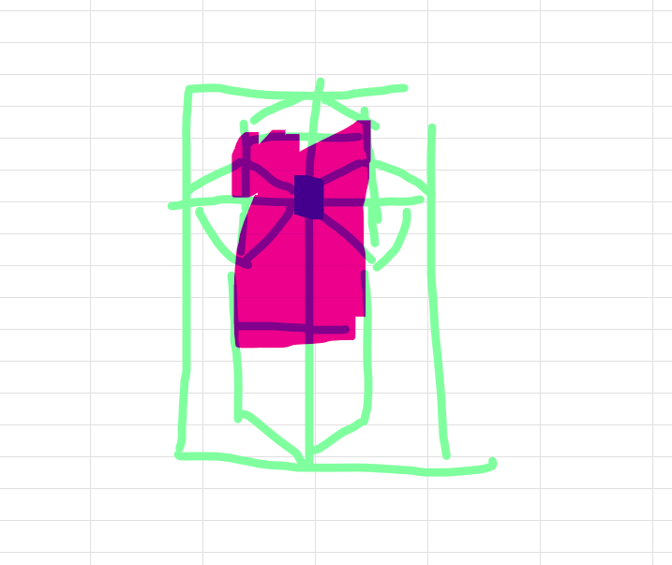
dead g_k |  |  |  |  |  |  |  |  | weight of walls acting on beams
 | self weight of RC + finishing + wall |  |  | 9.685 | kN/m2 |  |  |  |  | weight | 52.5 | kN
variable q_k |  |  |  |  |  |  |  |  | beam max axial load =
 | class+office |  |  | 2.75 | kN/m2 |  |  |  | W = 1.35 g_k + 1.5 q_k |  | 185.83488281
W = 1.35 g_k + 1.5 q_k |  |  | 17.19975 | kN/m2 |  |  |  |  |  |  | 137.65546875 | Service load
 |  |  | 12.435 | Service load
slab C-D/2-3
dead g_k
 | self weight of RC + finishing |  |  | 7.375 | kN/m2 |  |  |  | service load
variable q_k
 | office |  |  | 2.5 | kN/m2
W = 1.35 g_k + 1.5 q_k |  |  | 13.70625 | kN/m2
 |  |  | 9.875 | Service load
 |  |  |  |  |  |  |  |  | max axial load on ground column C2
 |  |  | WHERE DO MOMENTS IN COLUMNS COME FROM |  |  |  |  |  |  |  | 1503.217125 | kN
finding moment from |  |  |  |  |  |  |  |  |  |  | 1092.39 | SERVICE LOAD
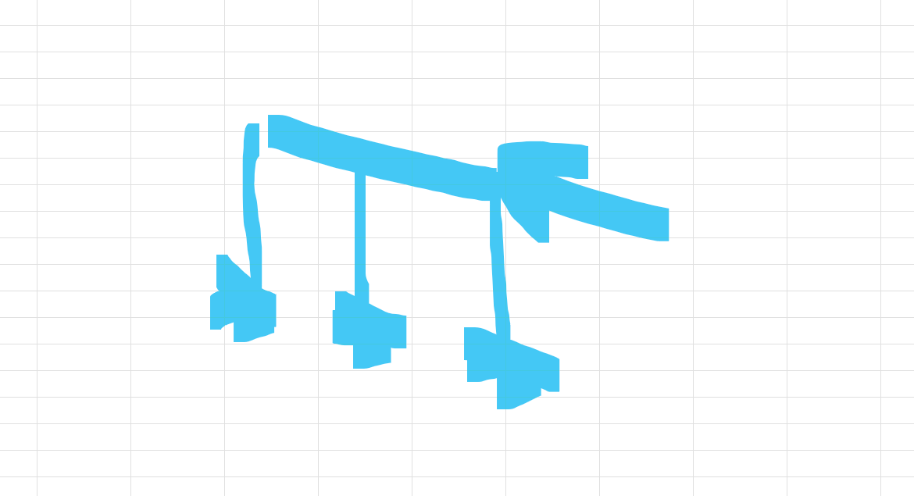
moment form roof due to axial loading |  |  |  | due to deflection… how?
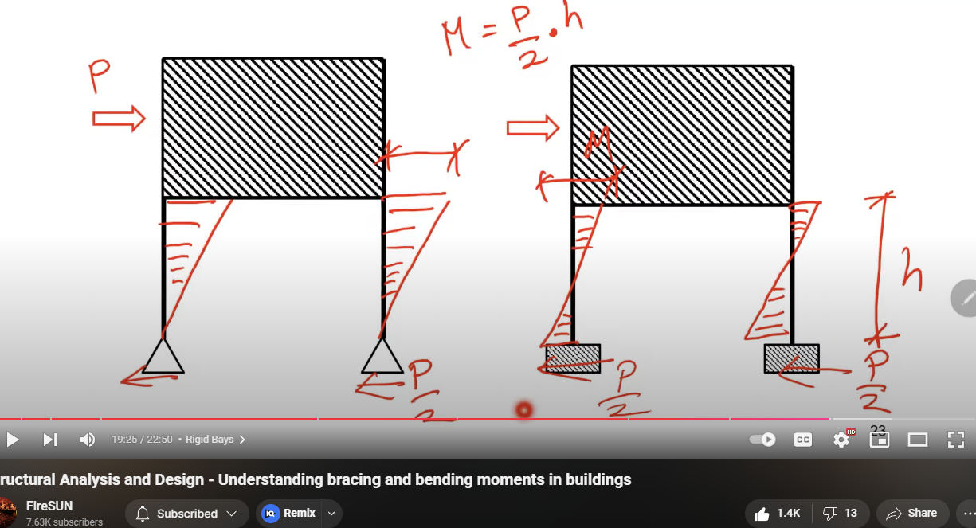
 |  |  |  |  |  |  |  |  |  |  |  |  |  |  |  | SHOULD I NOT HAVE CONSIDERED WIND?

moment from roof due to laterial loading (note can go 2 dir, i.e. from front or back) |  |  |  |  |  |  |  |  |  |  |  |  |  |  |  | AS CONNECTION IS FIXED?????
roof node 2F |  | 4.375 | kN | /6 * dist | 2.5520833333 | kNm
1/f node 2F |  | 13.475 | kN | /6 * dist | 8.9833333333 | kNm
roof node C1 |  | 4.375 | kN | /3 * dist | 5.1041666667 | kNm
1/f node C1 |  | 8.75 | kN | /3 * dist | 5.8333333333 | kNm
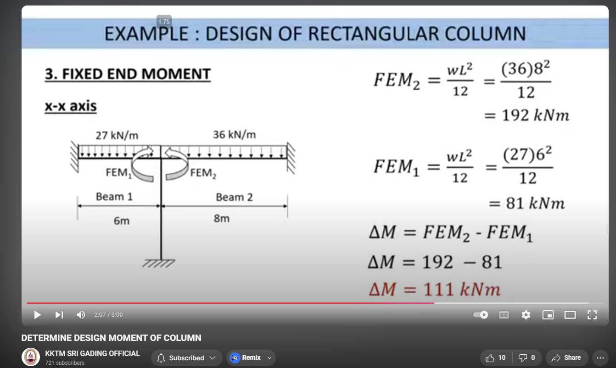
 |  |  | take max on roof |  | 5.1041666667 | kNm
 |  |  | take max on 1/f |  | 8.9833333333 | kNm
moment from beam fix joint, LIVE LOAD ALGERNATING!! |  |  |  |  | assuming also alternating laoding max moment
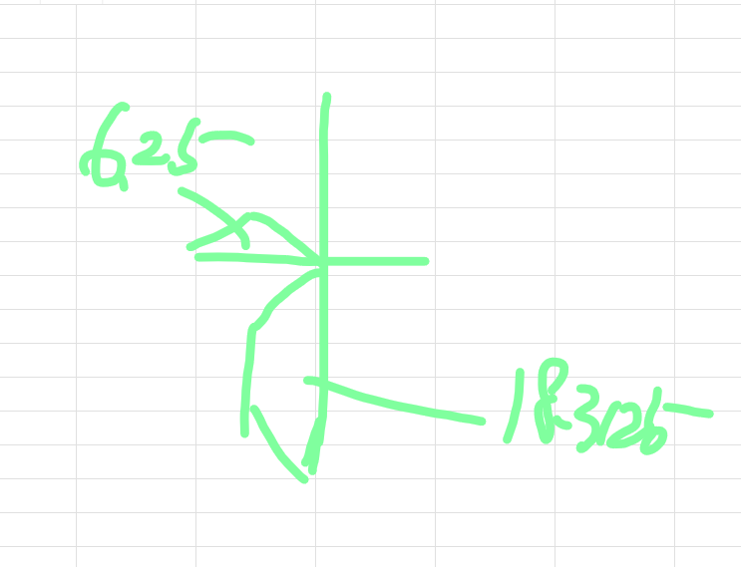
Finding area…
 | area on slab BC/23
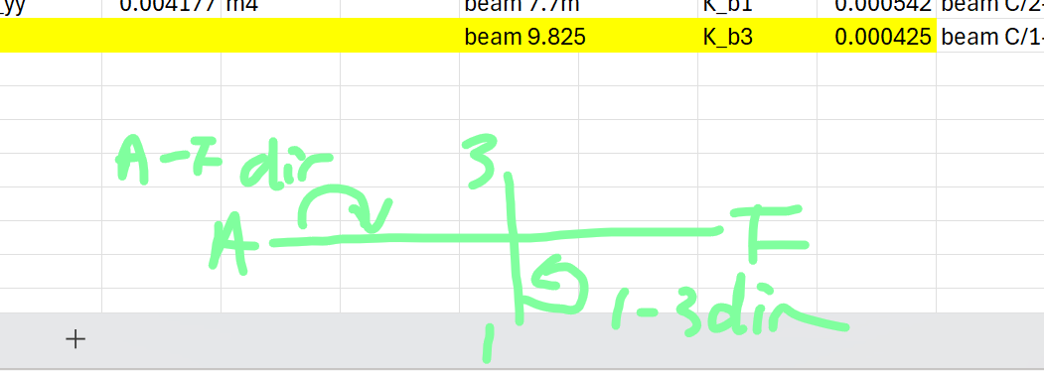
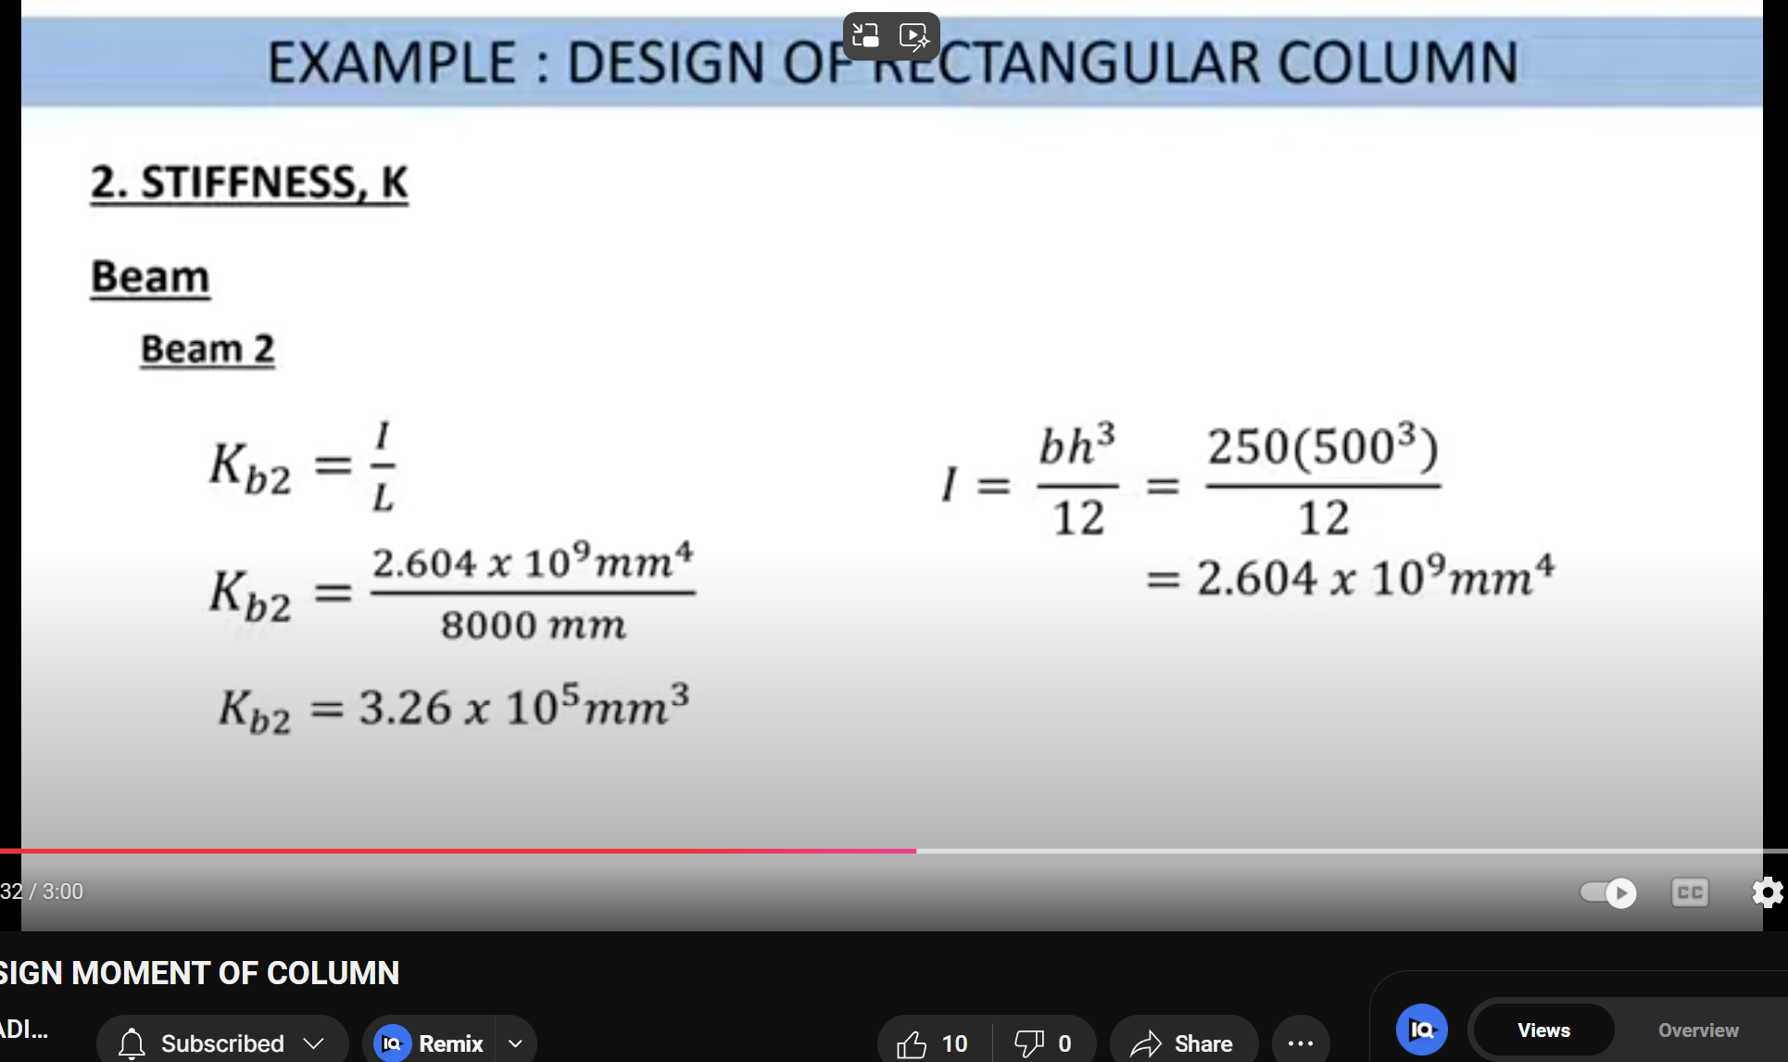
 |  | 6.25 | m^2
 | area on slab BC/12
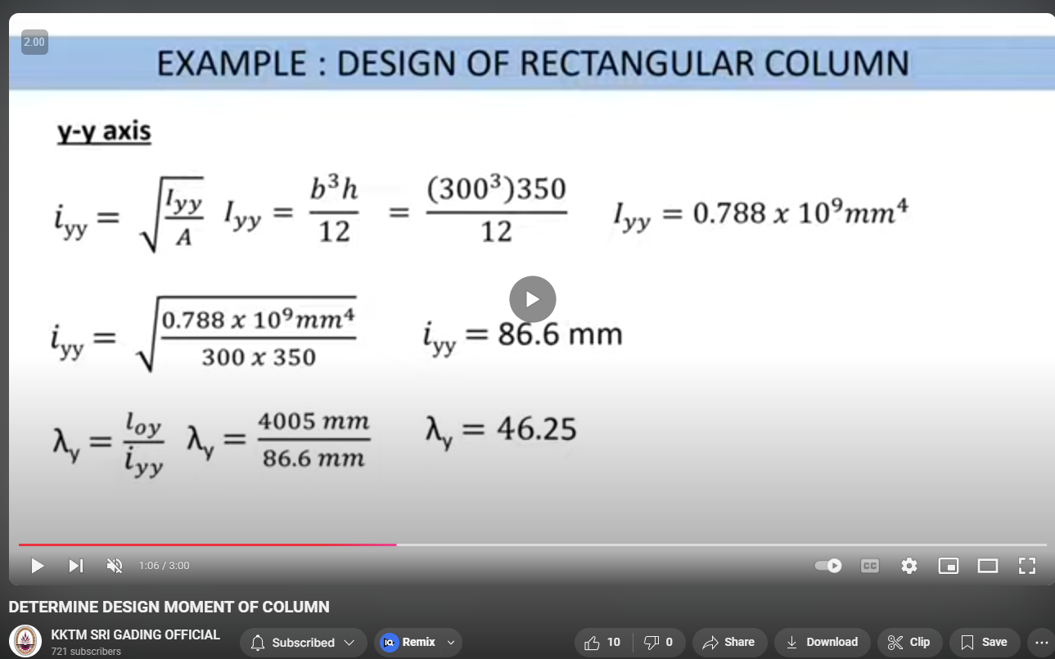
 |  | 18.3125 | m^2

UDL on beam
BC/2 | 10.78125 | kN/m | w F.S.
C/1-2 | 10.072574484 | kN/m | w F.S. | distance is diff, 7.7 and 9.825
Take max for delta M |  | 10.78125 | kN/m | archive, this value useless |  |  |  |  |  |  |  |  | since condition e) on fig 5.7 ec2p1-1, L = l ??
 |  |  |  |  |  |  |  |  |  |  |  |  | L | 4 |  |  | not the same as l_0
A_col | 0.16 | m2 | I_col | 0.0021333333333 | m4 |  |  |  | K_col= | 0.00061835748792 |  |  | assume clearheight |  | 3.45
A_xx | 0.2475 | m2 | I_xx | 0.0041765625 | m4 |  | beam 5m |  | K_b2 | 0.0008353125 | beam BC/2 |  | delta M from beam af |  | 22.4609375 | kNm | M in af dir | 22.460020968 | kNm
A_yy | 0.2475 | m2 | I_yy | 0.0041765625 | m4 |  | beam 7.7m |  | K_b1 | 0.00054241071429 | beam C/2-3 |  | delta M from beam 13 |  | 81.025992528 | kNm | M in 13 dir | 45.460982992 | kNm
 |  |  |  |  |  |  | beam 9.825 |  | K_b3 | 0.00042509541985 | beam C/1-2 |  |  |  |  |  |  |  |  | FOR CHECKING ECCENTRICITIES |  |  |  |  | FOR CHECKING ECCENTRICITIES
For design only, loading from wind not consistant |  |  |  |  |  |  |  |  |  |  |  |  |  |  |  |  | take max | 45.460982992 |  | in af direction |  |  |  |  | Taking max, thus is in 13 direction!!
M_top | 52.504732992 | kNm | induced moment from wind, beam and roof |  |  |  |  |  |  |  |  |  |  |  |  |  |  |  |  |  | M_top | 28.227729301 | kNm |  |  | M_top | 27.928770968 | kNm
M_bot | 4.4916666667 | kNm | induced moment from wind |  |  |  | NEED CHECKING??!! But o1 agrees |  |  | https://chatgpt.com/share/671f4ff4-92e8-8009-8daf-a607a6d60a5f |  |  |  |  |  |  | j superposition my guess |  |  |  | M_bot | 4.4916666667 | kNm |  |  | M_bot | 2.9166666667 | kNm

lamda = | 20.469691362 |  |  |  |  | i_col | 0.11547005384
lamda_lim | 31.224070248 |  | fcd | 17 | MPa | k = | 0.23439224833 | <=0.1 | take 0.1 |  | MAYBE WRONG HERE; but still take 0.1
 |  |  | alpha_cc | 0.85 |  | l_0 = | 2.3636363636 | m
landa<lamda_lim |  |  | gamma_c | 1.5
thus, non slender |  |  |  |  |  | rm = | -0.3097125126 | e_i = | 0.0059090909091 | m | min e_i = | 0.013333333333 | >= | 0.02 | m
 |  |  |  |  |  |  |  | M_01 | -25.572675833 | kNm | used min e_i |  |  |  |  |  |  |  |  |  | M_01 | -25.572675833 | kNm | used min e_i |  | M_01 | 2.9166666667 | kNm | used min e_i
 |  |  |  |  |  |  |  | M_02 | 82.569075492 | kNm | used min e_i |  |  |  |  |  |  |  |  |  | M_02 | 58.292071801 | kNm | used min e_i |  | M_02 | 27.928770968 | kNm | used min e_i
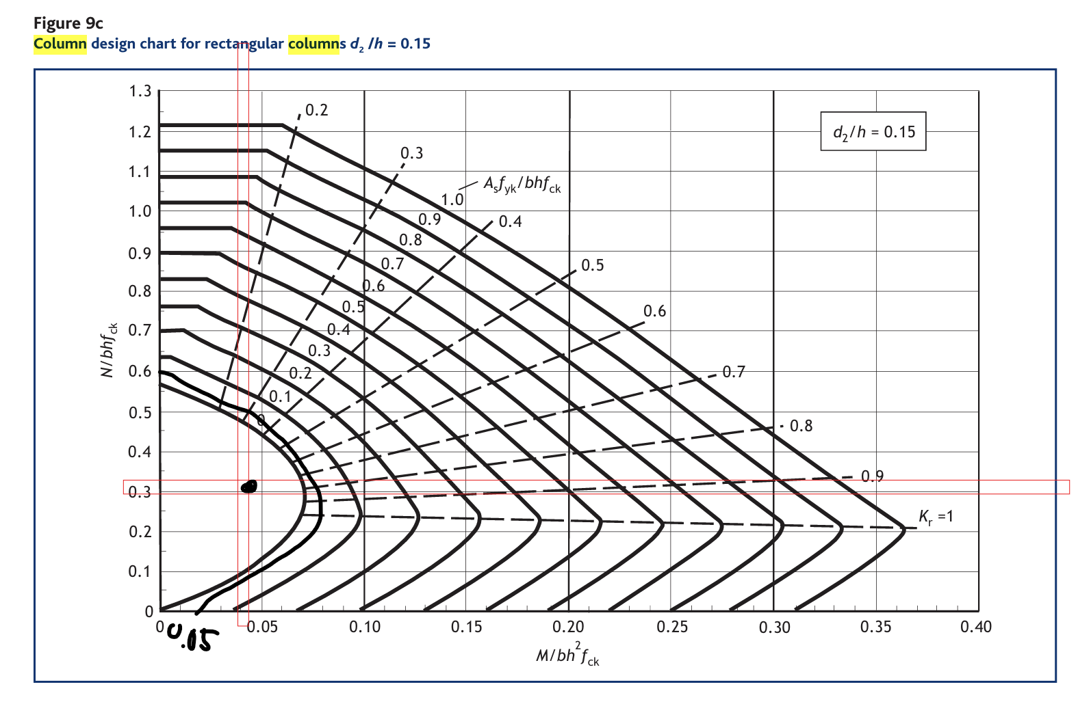
M_Ed | max of M_02, e_0*N_Ed |  |  | e_0*N_Ed | 30.0643425 |  |  |  |  |  |  |  |  |  |  |  |  |  |  | M_Ed | max of M_02, e_0*N_Ed |  | e_0*N_Ed | 30.0643425 | M_Ed | max of M_02, e_0*N_Ed |  | e_0*N_Ed | 30.0643425
M_ed = | 82.569075492 |  |  | M_02 | 82.569075492 |  |  |  |  |  |  |  |  |  |  |  |  |  |  | M_ed = | 58.292071801 |  | M_02 | 58.292071801 | M_ed = | 27.928770968 |  | M_02 | 27.928770968
 |  |  |  |  |  |  |  |  |  |  |  |  |  |  |  |  |  |  |  |  |  |  |  |  | M_ed = | 30.0643425
see design chart |  |  | d_2/h | 0.1075 | rounded up | 0.15 |  | see chart
 |  |  |  |  |  |  |  |  |  |  |  |  |  |  |  |  |  |  |  |  | FOR CALCULATION IN e_z AND e_y
Ned/bhfck | 0.31317023438 | NOT FOUND ON CHART |  |  |  | in code: rho_min = A_s,min/A_c >= 0.002
Med/bh2fck | 0.043004726819 | NOT FOUND ON CHART |  |  |  | hence | A_s,min | 320 | mm2
 |  |  |  |  |  | USING THIS AS A_s,min |  | 320
Asfyk/bhfck | Not found | from chart
A_s = | #VALUE! | mm2 | NO VALUE HERE CUZ NO VALUE IN CHART |  |  |  | f_yk = | 500
4H12 | area as | 452 | mm2 | SEE rho_min = A_s,min/A_c >=0.002

links

diameter of breater of |  |  | 6 mm | &, 1/4*dia | 5

 |  | taking 6mm as link dia

spacing of link shount exceed lesser of |  |  |  | 20*dia | 400 | mm
 |  |  |  | min(h,b) | 300 | mm
 |  |  |  |  | 400 | mm
 | we get | 7H @ 300

 |  |  |  |  |  | p.31 of ref docx
biaxial bending check? |  |  | no | lamda/lamda = 1 |  | see ex5.38

relative eccentricities

Ned = | 1503.217125 | kN | THESE VALUES NOT USED
Med_y = | 82.569075492 | kNm | same as Med_z, as they are simular and take worst case ??

ez/heq = | 145.7301795 |  | see ex5.38b | 0.096945529078 | 0.47911783034
ey/beq= | 69.821927419 |  |  | 0.046448331553 | 0.47911783034 | not <= 0.2 | need check for eccentricities

check moment resistance MRd |  |  |  | NEED MORE CHECK ON AXIAL LOADING AND MOMENT AND SEE IF IT FITS, but in accordance to cl 5.8.8.3(3) no more checks?

Asfyk/bhfck | 0.083703703704
Ned/bhfck | 0.31317023438

M_Rd /bh2fck ~ |  | 0.07 | M_Rd = | 134.4 |  | > M_Ed = | 82.569075492 |  | OK

Finding exponent alpha
N_Rd = A_c*f_cd + A_s*f_yd |  |  | 2916.5217391 | kN
N_Ed/N_Rd |  |  | 0.51541433922 |  | considered as 0.7 |  | see ex5.39
alpha = | 1.5

we get | 0.38036567416 | <=1 |  | OK

Sheet3
Service load
char load including pad slefweight |  |  | 1327.04 | kN | NO FACTOR OF SAFETY

soil bearing cap |  |  | 175 | kN/m2 | given

plan area of base req.: |  |  | 7.5830857143 | m2
assume is square with |  |  | 3.8 | m |  | Note max is 3.85m as in frame dist of column is 7.7, else gonna be like "group piles"
area from assumed |  |  | 14.44 | m2 |  | hence if not the area here will be much larger then area of base actually is, they will overlap
trial depth |  |  | 0.65 | m | GPT genreal rule of thumb, as h = L/10, not following |  |  |  |  |  | TAKING TRIAL AND ERROR, MOMENT AND SHEAR WONT HOLD!
rho_rc |  |  | 25 |  | density of rc
padding selfwieght = |  |  | 234.65 | kN |  |  | checker for V_Ed |  | 2.72 | m | FOR OPTIMIZE USE ONLY |  |  | v_Ed | 0.49546133167 | soil P_s | 126.03840893
 |  |  |  |  |  |  | shld smaller than |  | 3.8 |  | WORK AS CHECKER |  |  | v_Rd | 0.44025475255 | soil cap | 175
using 30/37 concrete |  |  | fck= | 35 | Mpa | CAREFUL!! |  |  | and should smaller than 7.2/2, see frame layout |  |  |  |  |  |  | given on instruction
 |  |  | fyk = | 500 | MPa | Table of concrete design properties (fcd, fctm, Ecm, fctd) - Eurocode 2
 |  |  |  |  |  |  |  |  |  | ASSUMING GROUND FLOOR WEIGHT DIRECTLY ON SOIL AND NOT ON FOUNDATION AND COLUMN
Bending reinforcement

Design moment, M_Ed
N_Ed | ult load or design load |  | 1819.994625 | kN | from column calculations + 1.35 * padding selfweight from below
 | earth presure (P_s) |  | 126.03840893 | kN/m2 |  | note that the P_s is lower than bearing cap, i.e. less than 175kN/m2 |  |  |  |  |  |  | IMPORTANT!

M_Ed = | 364.25100182 | kNm/m width of slab |  |  | at column face |  | NOTE THAT THE MOMENT INDUCED BY COLUMN MAY NOT BE CONSIDERED? AS COLUMN AND PADDING IS FIXED JOINT?

Ultimage moment (M_Rd)
 |  |  |  |  |  | according to table a2, a9, and a10 of bs8110, cover c is
assuming dia of reinf bar |  |  | 20 | mm |  | cover | 50 | mm | following the docx

effective depth (d) = |  |  | 580 | mm

ultimage design moment M_Rd |  |  | 6404.3832 | kNm |  | > M_Ed | 364.25100182 | kNm | OK |  | does it seems too big to u??? Just a thought

Main steel

K = M_Ed/F_ck*b*d^2 |  |  | 0.0081412881599 | [-]
z = d(0.5+(0.25-K/0.9)^(1/2)) |  |  | 574.70505335 | mm | <= 0.95d | 551 | mm | , not using 0.95d

A_s1 = M_Ed/0.87fykz |  |  | 1457.0232504 | mm^2/m |  | using H20@75 (4187mm2/m) |  |  | 4187 | mm2/m |  | IM SURE THIS IS NOT OPTIMAL

check min steel area A_s,min |  |  | 3211 | mm2 per m |  | NEED CHECKING IF IS 0.13% |  |  |  | 50753-Cross_sectional_area_of_reinforcement_at_given_bar_spacing.pdf
 |  |  |  |  |  | for beams, but as well as rule of thumb?
Punching shear |  |  |  | Punching shear design and verification according to Eurocode | Step-by-step tutorial |  |  |  |  |  |  |  | ex 6.38 see important, note vid is w shear reinf, we don’t have shear reinf
check for punching shear, w no shear reinf, see 6.4.4 check (2) |  |  |  |  |  |  | will need to update column for .4by.4
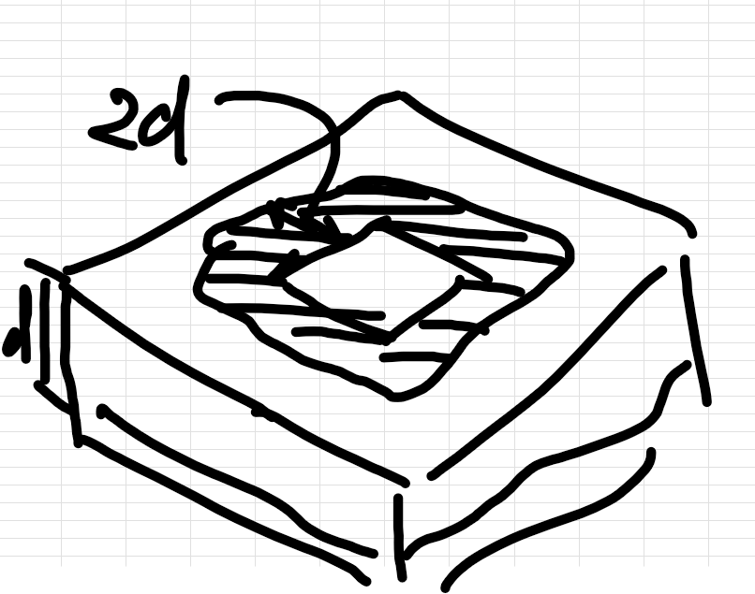
 |  |  |  |  |  |  | p.99 ec2 p1-1 |  |  |  |  |  |  |  |  |  |  | Pad Foundation Design Part 1.
k = | 1.5872202195 | <= | 2 mm | k = | 1.5872202195 |  |  |  |  |  |  |  |  |  |  |  |  | this vid is out of bound, using CSA code not EC2
V_min = | 0.38334027729 | 6.4.4 (1) -> ex6.3N
C_Rd,c = | 0.12 | see n.a. 6.4.4(1) |  | d = | 580 | mm see above
f_ck | 35 |  |  | a = | 1700 | mm
CHECK (2 only) as column base
v_Rd = C_Rd,c * k * (100*rho*f_ck)^(1/3)*(2d/a) |  |  |  | ex6.50
 | rho = | 0.011106100796 |  | As/bd, where As taking 2690
 | k_1 = | 0.1 | see N.A 6.4.4(1) |  | IGNORE THIS NOT USING THIS
 | sigma_cp = | 0 | kN/m2 | wtf is N_Edy and N_Edz, taking sigma as 0, NOT IMPORTANT, NOT USING IT
 | v_Rd = | 0.44025475255 | N/mm2
>= min v_Rd = V_min *2d/a
 |  | 0.26157336568 | N/mm2

v_Ed = V_Ed,red/ud |  | ex 6.49 | u = perimeter |  | 8.8884949563 | m
V_ED,red= | 1033.0956141 | kN | V_Ed = delta V_Ed |  | delta V_Ed = Ps * A |  | 786.89901094 | kN |  |  |  |  | check for transverse shear
 |  |  | V_Ed = N_Ed , I guess |  | 1819.994625 | kN
v_Ed = | 0.20039380608 | N/mm2 |  |  |  |  |  |  |  |  |  |  | check for face shear

since | V_Rd | 0.44025475255 | > V_Ed | 0.20039380608 |  | OK

Punching Shear Design {Step-By-Step Guide} - Structural Basics |  |  |  |  |  | under here: ULS Punching Shear Verification With Shear Reinforcement (EN 1992-1-1 6.4.5)
 |  |  |  |  |  | punching shear reinf req… !!
assuming shear reinf legs in radial dir
n_p | 3
assuming radial spacing of perimeters of shear reinf
s_r | 232 | mm |  |  |  | f_yk = | 500
f_ywd.e f | 395 | MPa | see equation and ref link |  |  | f_yd = | 434.7826087 |  | taking gamma = 1.15

u_out = beta*V_Ed/(U_0 * d) <= V_Rd,max
 | beta = 1.15 internal column see N.A. 6.4.3(6)
 | u_0 = 2d
 | 4652.7135094 |  |  |  |  |  |  |  | IGNORE THIS PART

Face shear
v_Ed = beta*V_Ed/(u_i*d)
beta = | 1.15 | see N.A. 6.4.3(6)
u_i = 2d | 1160 | mm
V_Ed=N_Ed | 1819.994625 | kN
v_Ed = | 3.1108707175 | Nmm-2

v_Rd,max = 0.5*v*f_cd |  |  | WHY?? | ex 6.5? | and see cl 6.2.2?
v = | 0.516 |  | ex6.6n | 0.6*(1-fck/250)
f_cd = | 23.333333333 |  | fck = 30, alpha_cc = 1, gamma_c = 1.5
v_Rd,max= | 6.02 | Nmm-2

since v_Rd,max |  | 6.02 | > v_Ed | 3.1108707175 |  | OK

Transverse shear |  | see cl6.2.1(8)
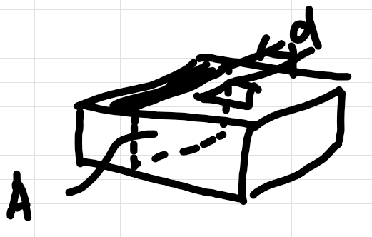
V_Ed,red = V_Ed - delta V_Ed |  |  | same concept as ex6.48
delta V_Ed = P_s * (A); wehre A = |  |  | 5.776 | mm2 | see diagram ->
 | delta V_Ed = | 727.99785 | kN
V_Ed,red= | 1091.996775 | kN

v_Ed = beta*V_Ed/(u_0*d) |  |  | ex 6.54 | but why??
V_Ed = V_Ed,red/(b*d) * v |  |  | modified?? | consider v = beta = 1.5, corner, see n.a. 6.4.3(6)
v_Ed = | 0.49546133167
v_Rd = | 0.44025475255 |  | see above calc.

v_Rd > v_Ed |  | OK

